Script
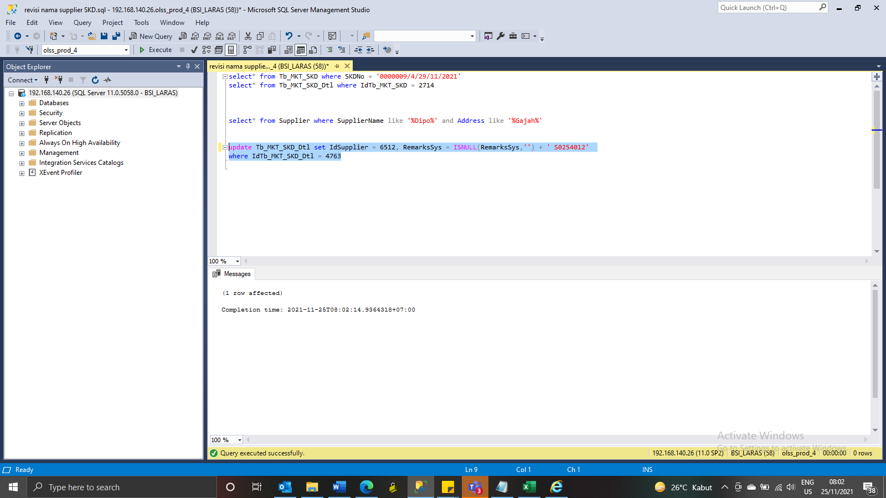
update Tb_MKT_SKD_Dtl set IdSupplier = 6512, RemarksSys = ISNULL(RemarksSys,'') + ' S0254012'
where IdTb_MKT_SKD_Dtl = 4763

Screenshot
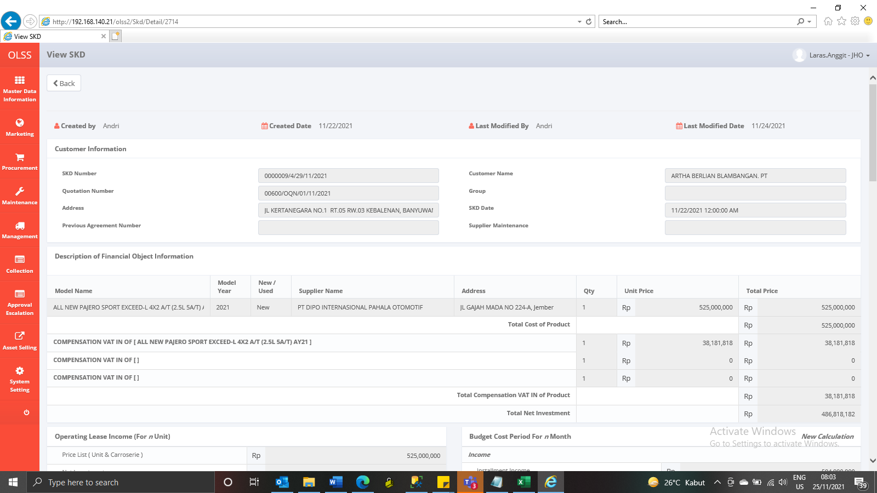
BEFORE
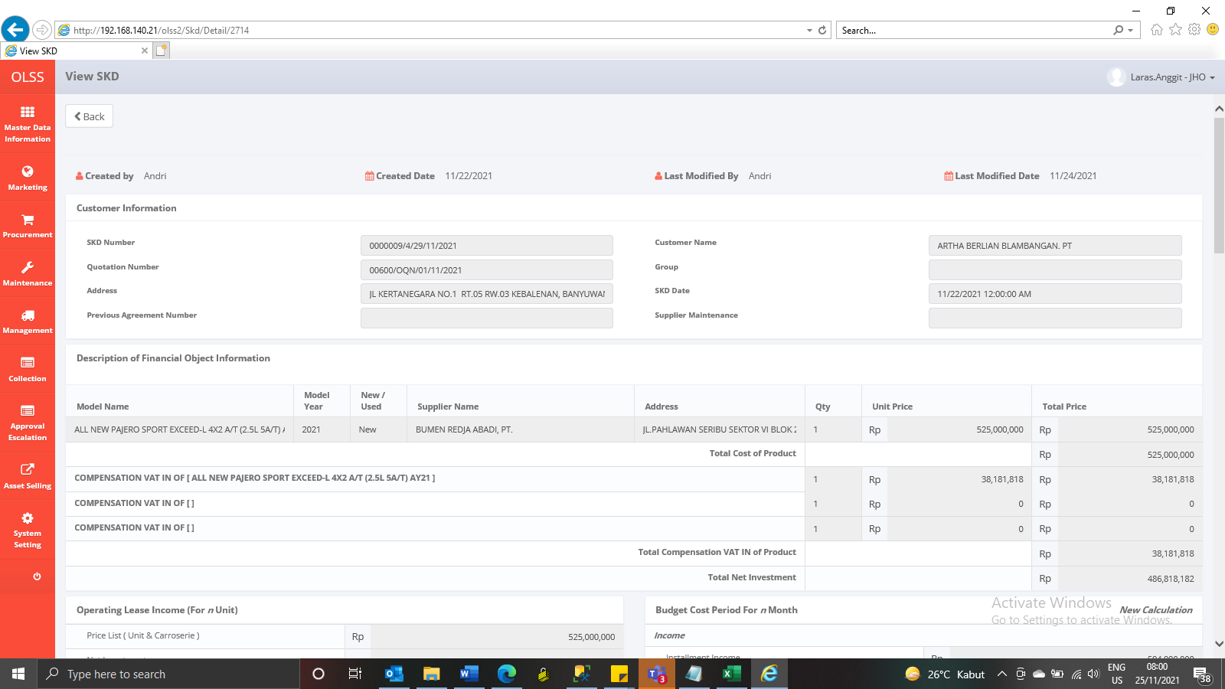

AFTER

